Application Visual
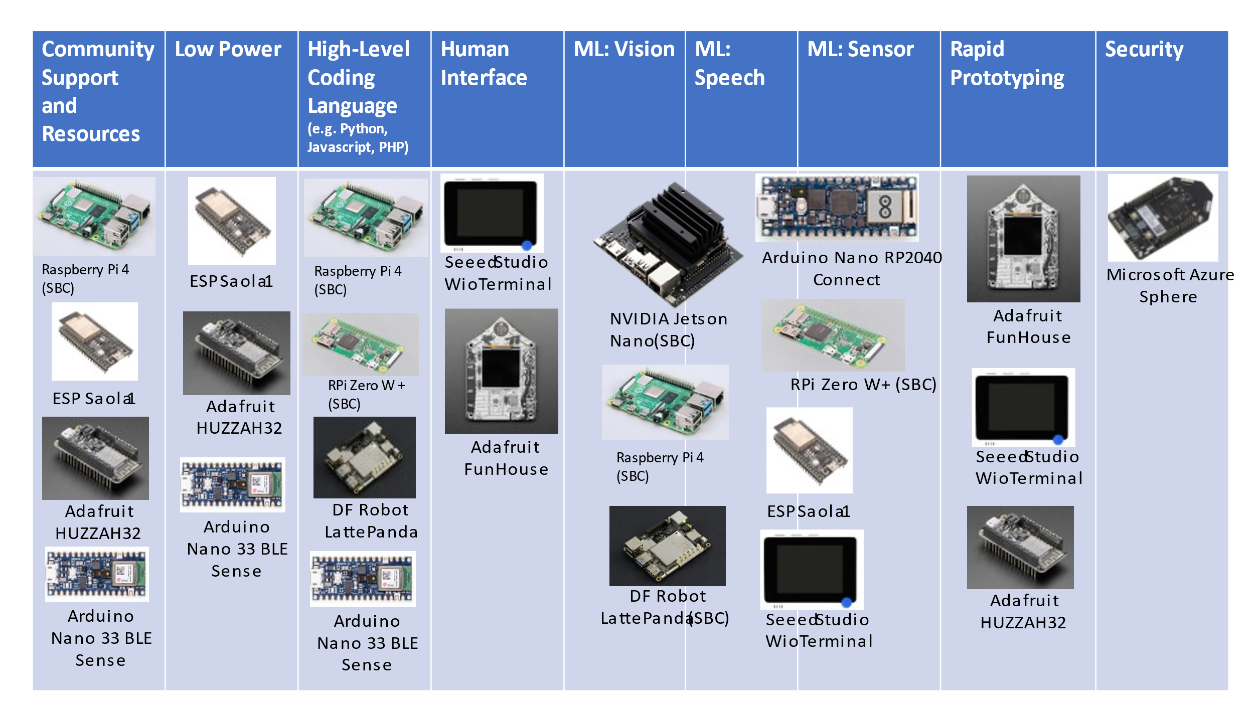

Notes:
1. For the ML categories, a device that is capable of Vision ML is also capable of Speech ML (and Sensor ML). A device that is capable of Speech ML is also capable of Sensor ML.
2

